data to plot
Year | Passenger Car [mpg] | Light Truck [mpg] | Total Fleet [mpg] | Source
1978.00 | 19.90 |  | 19.90 | Earlier data
1979.00 | 20.30 | 18.20 | 20.10 | Earlier data
1980.00 | 24.30 | 18.50 | 23.10 | Earlier data
1981.00 | 25.90 | 20.10 | 24.60 | Earlier data
1982.00 | 26.60 | 20.50 | 25.10 | Earlier data
1983.00 | 26.40 | 20.70 | 24.80 | Earlier data
1984.00 | 26.90 | 20.60 | 25.00 | Earlier data
1985.00 | 27.60 | 20.70 | 25.40 | Earlier data
1986.00 | 28.20 | 21.50 | 25.90 | Earlier data
1987.00 | 28.50 | 21.70 | 26.20 | Earlier data
1988.00 | 28.80 | 21.30 | 26.00 | Earlier data
1989.00 | 28.40 | 21.00 | 25.60 | Earlier data
 | Passenger Car [mpg] | Light Truck [mpg] | Total Fleet [mpg]
1978.00 | 19.90 |  | 19.90
1979.00 | 20.30 | 18.20 | 20.10
1980.00 | 24.30 | 18.50 | 23.10
1981.00 | 25.90 | 20.10 | 24.60
1982.00 | 26.60 | 20.50 | 25.10
1983.00 | 26.40 | 20.70 | 24.80
1984.00 | 26.90 | 20.60 | 25.00
1985.00 | 27.60 | 20.70 | 25.40
1986.00 | 28.20 | 21.50 | 25.90
1987.00 | 28.50 | 21.70 | 26.20
1988.00 | 28.80 | 21.30 | 26.00
1989.00 | 28.40 | 21.00 | 25.60
1990.00 | 28.00 | 20.80 | 25.40
1991.00 | 28.40 | 21.30 | 25.60
1992.00 | 27.90 | 20.80 | 25.10
1993.00 | 28.40 | 21.00 | 25.20
1994.00 | 28.30 | 20.80 | 24.70
1995.00 | 28.60 | 20.50 | 24.90
1996.00 | 28.50 | 20.80 | 24.90
1997.00 | 28.70 | 20.60 | 24.60
1998.00 | 28.80 | 21.00 | 24.70
1999.00 | 28.30 | 20.90 | 24.50
2000.00 | 28.50 | 21.30 | 24.80
2001.00 | 28.80 | 20.90 | 24.50
2002.00 | 29.00 | 21.40 | 24.70
2003.00 | 29.50 | 21.80 | 25.10
2004 | 29.49 | 21.50 | 24.60
2005 | 30.32 | 22.10 | 25.40
2006 | 30.09 | 22.50 | 25.80
2007 | 31.24 | 23.10 | 26.60
2008 | 31.47 | 23.60 | 27.10
2009 | 32.90 | 24.80 | 29.00
2010 | 33.94 | 25.20 | 29.30
2011 | 33.13 | 24.70 | 29.00
2012 | 35.27 | 25.00 | 30.80
2013 | 36.40 | 25.70 | 31.60
2014 | 36.54 | 26.50 | 31.70
2015 | 37.24 | 27.30 | 32.20
2016 | 37.66 | 27.40 | 32.30
2017 | 39.44 | 28.60 | 33.40
1990.00 | 28.00 | 20.80 | 25.40 | Earlier data
1991.00 | 28.40 | 21.30 | 25.60 | Earlier data
1992.00 | 27.90 | 20.80 | 25.10 | Earlier data
1993.00 | 28.40 | 21.00 | 25.20 | Earlier data
1994.00 | 28.30 | 20.80 | 24.70 | Earlier data
1995.00 | 28.60 | 20.50 | 24.90 | Earlier data
1996.00 | 28.50 | 20.80 | 24.90 | Earlier data
1997.00 | 28.70 | 20.60 | 24.60 | Earlier data
1998.00 | 28.80 | 21.00 | 24.70 | Earlier data
1999.00 | 28.30 | 20.90 | 24.50 | Earlier data
2000.00 | 28.50 | 21.30 | 24.80 | Earlier data
2001.00 | 28.80 | 20.90 | 24.50 | Earlier data
2002.00 | 29.00 | 21.40 | 24.70 | Earlier data
2003.00 | 29.50 | 21.80 | 25.10 | Earlier data
2004 | 29.491622053 | 21.50 | 24.60 | Recent data
2005 | 30.32 | 22.10 | 25.40 | Recent data
2006 | 30.09 | 22.50 | 25.80 | Recent data
2007 | 31.24 | 23.10 | 26.60 | Recent data
2008 | 31.47 | 23.60 | 27.10 | Recent data
2009 | 32.90 | 24.80 | 29.00 | Recent data
2010 | 33.94 | 25.20 | 29.30 | Recent data
2011 | 33.13 | 24.70 | 29.00 | Recent data
2012 | 35.27 | 25.00 | 30.80 | Recent data
2013 | 36.40 | 25.70 | 31.60 | Recent data
2014 | 36.54 | 26.50 | 31.70 | Recent data
2015 | 37.24 | 27.30 | 32.20 | Recent data
2016 | 37.66 | 27.40 | 32.30 | Recent data
2017 | 39.44 | 28.60 | 33.40 | Recent data

Earlier data
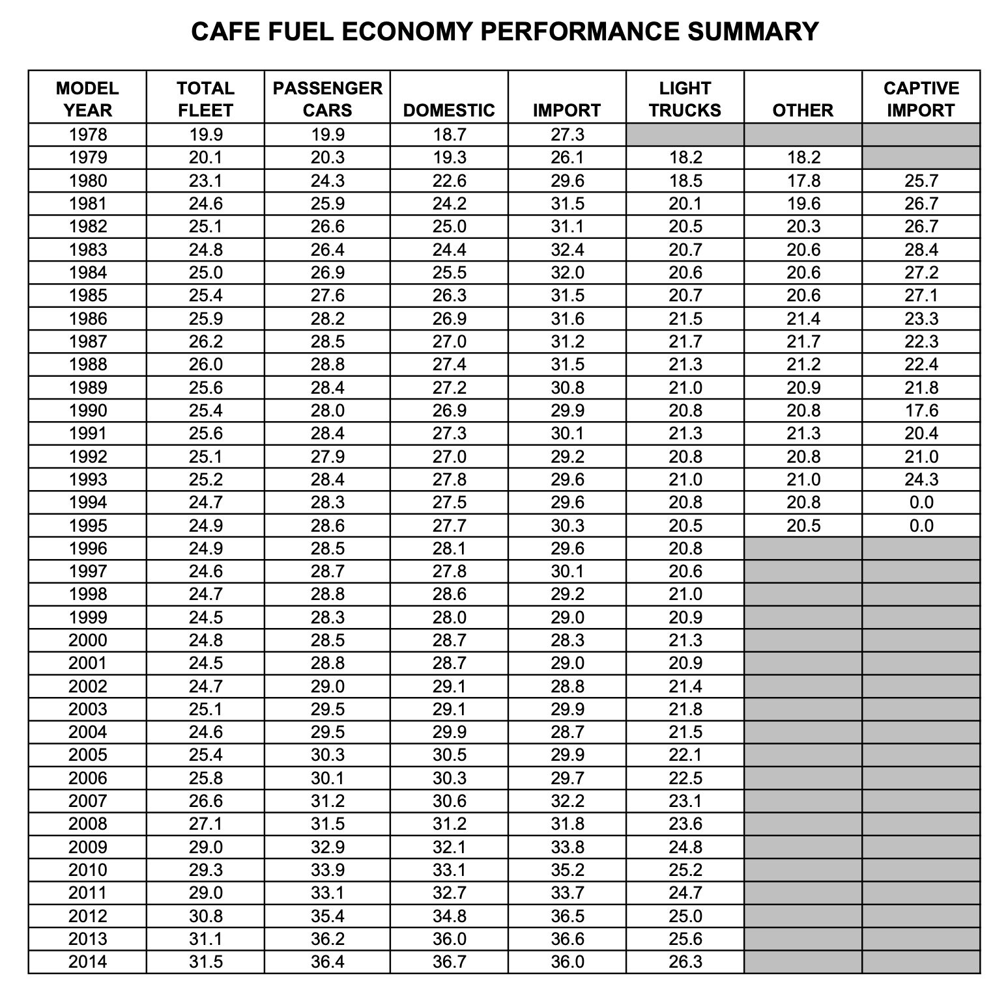
Year | Fleet FE [mpg] | Car FE [mpg] | Truck FE [mpg]
1978 | 19.9 | 19.9 |  | Data linked from Wikipedia page: https://en.wikipedia.org/wiki/Corporate_average_fuel_economy#cite_note-nhtsa_afep2015-6
1979 | 20.1 | 20.3 | 18.2 | File found at:
1980 | 23.1 | 24.3 | 18.5 | https://www.nhtsa.gov/staticfiles/rulemaking/pdf/cafe/Performance-summary-report-12152014-v2.pdf
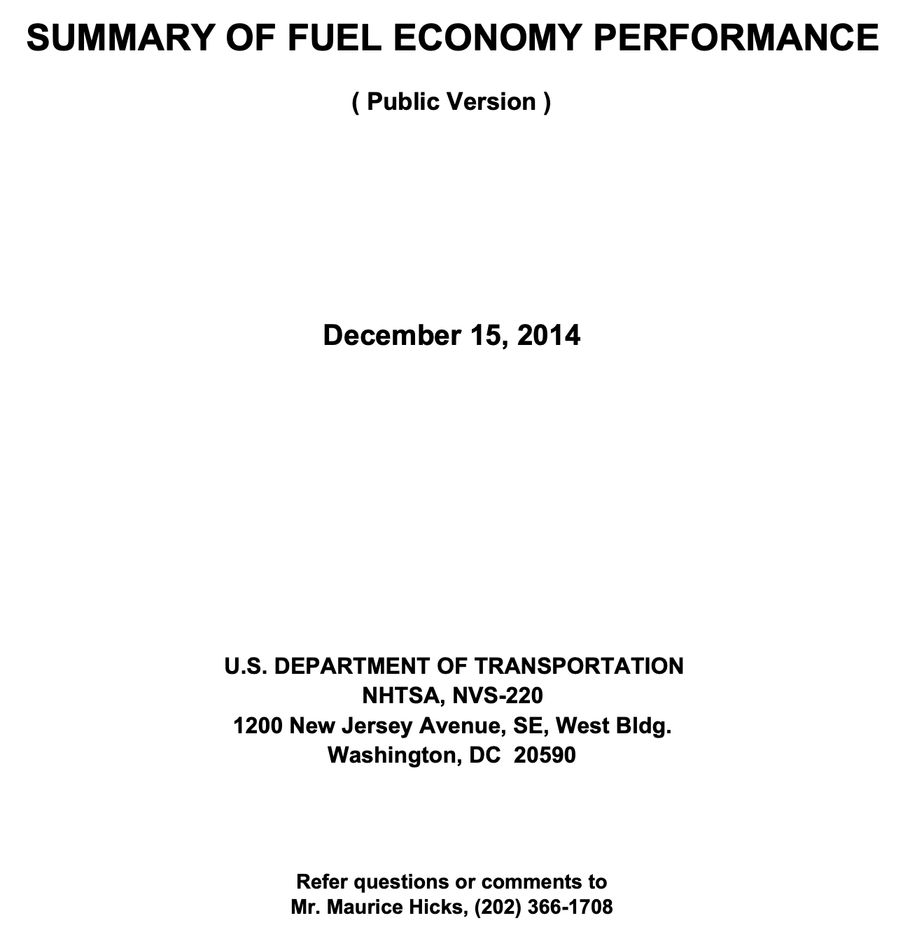
1981 | 24.6 | 25.9 | 20.1
1982 | 25.1 | 26.6 | 20.5
1983 | 24.8 | 26.4 | 20.7
1984 | 25 | 26.9 | 20.6
1985 | 25.4 | 27.6 | 20.7
1986 | 25.9 | 28.2 | 21.5
1987 | 26.2 | 28.5 | 21.7
1988 | 26 | 28.8 | 21.3
1989 | 25.6 | 28.4 | 21
1990 | 25.4 | 28 | 20.8
1991 | 25.6 | 28.4 | 21.3
1992 | 25.1 | 27.9 | 20.8
1993 | 25.2 | 28.4 | 21
1994 | 24.7 | 28.3 | 20.8
1995 | 24.9 | 28.6 | 20.5
1996 | 24.9 | 28.5 | 20.8
1997 | 24.6 | 28.7 | 20.6
1998 | 24.7 | 28.8 | 21
1999 | 24.5 | 28.3 | 20.9
2000 | 24.8 | 28.5 | 21.3
2001 | 24.5 | 28.8 | 20.9
2002 | 24.7 | 29 | 21.4
2003 | 25.1 | 29.5 | 21.8
2004 | 24.6 | 29.5 | 21.5
2005 | 25.4 | 30.3 | 22.1
2006 | 25.8 | 30.1 | 22.5
2007 | 26.6 | 31.2 | 23.1
2008 | 27.1 | 31.5 | 23.6
2009 | 29 | 32.9 | 24.8
2010 | 29.3 | 33.9 | 25.2
2011 | 29 | 33.1 | 24.7
2012 | 30.8 | 35.4 | 25
2013 | 31.1 | 36.2 | 25.6
2014 | 31.5 | 36.4 | 26.3

